Section 1 & 2
1. DOCUMENT IDENTIFICATION

 | Document Identification
 | Project Name | Multi Robot Decentralized Transport |  | Project No. | -
 | Version | 1 |  | Date | 2017-04-06

 |  | Name |  | Signature |  | Date
 | Lead Author | Jeroen van den Akker |  | X |  | 2017-04-06
 | Reviewed by | Bas Janssen |  | O |  | 2017-04-06

 | Revision | Description |  | Changed by |  | Date
 | A | Initial Draft |  | S. Gomez |  | 04/11/2016

2.1 PROJECT INFORMATION

 | MACHINE INFORMATION
 | Machine Name: |  | T.I.T.S.
 | Manufacturer: |  | Fontys
 | Machine Type: |  | Industrial Robot
 | Serial Number: |  | 1
 | Date of Manufacture: |  | TBD
 | Machine Certification:

 | DEVICE INFORMATION
 | Device Name: |  | Robotiq 2-Finger 85 Adaptive Gripper
 | Manufacturer: |  | Robotiq
 | Device Type: |  | Robotic Gripper
 | Serial Number: |  | XXXXXXXXXX
 | Date of Manufacture: |  | MM-DD-YYYY
 | Device Certification: |  | [CE or other certification]

 | ASSESSMENT PERSONNEL / ASSESSMENT DATE
 | Initial Risk Assessment
 | Lead Author: |  | Salvador Gomez |  | Date: | 04/11/2016

 | CUSTOMER PERSONNEL
 | Name: | Mario Turgeon |  | Function/ Job Title: |  | Aut. Engineer

2.2 MOTIVATION

 | Robotiq Inc. wants to develop a risk assessment guide for collaborative robots users. For this reason, Robotiq Inc. took information in a Pilz© documentation format to conduct a formal risk assessment on their UR5 demo cell . The cell is a force limited collaborative cell.
 | This risk assessment complies with the [enumerate applicable standards]. In addition, the collaborative cell aspects were assessed following the guidlines of the ISO. More particulary using the guidelines by the ISO/TS 15066 for the case of the Robotiq 2-Finger 85 Adaptive Gripper.
 | The construction, safeguarding, and risk sources were evaluated for compliance with applicable standards listed in this report.
 | This Risk Assessment has been carried out Using the Pilz methodology on 11 April 2016. Pilz does not take responsibility for the contents of this Risk assessment

2.3 METHOD OF RISK ANALYSIS

 | In accordance with ISO 12100, the risk assessment is implemented in a series of logical steps to enable a systematic examination of the hazards associated with machinery. Risk assessment is followed, whenever necessary by risk reduction as described in clause 6 of ISO 12100: 2010. When this process is repeated it gives an iterative process for eliminating hazards as far as possible and for implementing safety measures.
 | The risk assessment methodology approach includes: -- Risk analysis o Determination of limits o Hazard identification o Risk estimation -- Risk evaluation
 | The risk assessment provides the information required for the risk evaluation, which in turn allows judgements to be made on the safety of machinery.
 | The Diagram 1 shows the step-by-step process of risk analysis:
 | 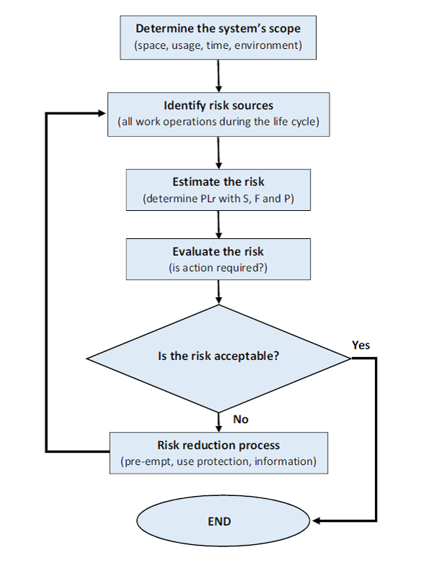
 | Diagram 1: Method of risk reduction

2.4 LIMIT OF REPORT

 | This risk assessment report is based on information that was accumulated during the on-site risk assessment of the [name of the cell] at [company name] on the [date].
 | This risk assessment for work equipment examines significant hazards where risk reduction measures still need to be applied.
 | The information was accumulated in the following fashion: 1. Discussions with [name of the departement] personnel 2. Reviewing all available machine technical information 3. Conducting a physical examination of the machine
 | In order to ensure the accuracy of the risk assessment for the machine, it is imperative that the information provided on the date of the risk assessment be correct and reliable. [name of risk assessment personnel] cannot take any responsibility for judgements made on inaccurate or lack of information.
 | The following technical information was made available for the [name of the cell]:

 | DOCUMENTATION EXAMINED
 | No. | Document Name |  | Type |  | Issue Date
 | XXXX | Universal Robots for UR5 User Manual |  | Operating Manual |  | Month/ Year
 | XXXX | Robotiq FT-300 User Manual |  | Operating Manual |  | Month/ Year
 | XXXX | Robotiq 2-Finger 85 User Manual |  | Operating Manual |  | Month/ Year

 | Every effort is made to evaluate the risk associated with each hazard identified throughout the report, however it may not be possible to quantify the risk with all hazards. When this is not possible the hazards are assessed in relation to their conformance with all relevant Legislation. Each hazard is identified individually throughout the report; the outcome from the accumulation of hazards has not been evaluated.
 | Human error and misuse related to areas such as incorrect feeding of the machine, incorrect use of materials and operator ability to operate the machine are not considered to be under the scope of this report. Only clear foreseen misuse of the machine was considered.
 | Due to practical reasons not all the machine lifecycle was examined as part of this report, the following phases were excluded: - Assembly Installation - Decommissioning - Disposal - Transport - Construction - Commissioning

Section 3
3. MACHINE ASSESSMENT

3.1 BASIC MACHINE DESCRIPTION

 | UR5 picks up a part from a table. The Gripper seeks, in closed postion, for a part and when a threshold of 10 N is reached, the robot interprets this as part located at this position. |  |  |  |  |  |  |  | The turtlebot drives from point A to point B, carrying one or multiple products. If logical, it exchanges one or more of its products with other bots to optimize the path of the product to its destination. If it encounters an obstacle it will attempt to plan a different path, thereby avoiding it. If this is not possible, the robot will resort to a safe state, or error loop. when point B is reached, the products will be taken off and new ones might be put on again. This starts the process again.
 | When the part is identified, the robot descends with fingers opened and grabs the part on both sides. The robot is simply used for demonstration so no second operation is programmed. The part is elevated 0.5 meter.
 | The robot decends in the Z direction and when it is close to the table, it drops the part.
 | The process loops for 10 minutes with an intermediate position of 0.5 m over the picking position.
 | 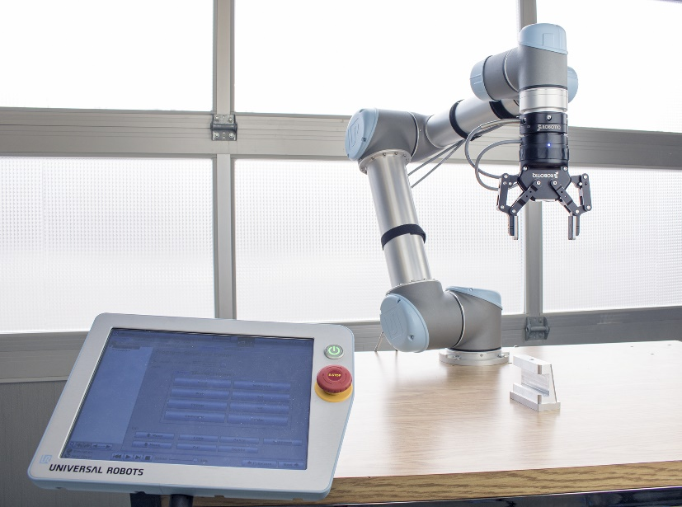 [place photo here]
 | Picture 1: Robotic cell used for risk assessment example

3.2 MACHINE CONTROL SYSTEM DESCRIPTION

 | The robot control system provides servo driven motion control. The controller also has protective stops. and force and a power limiting safety function compliant with ISO 10218-1.
 | 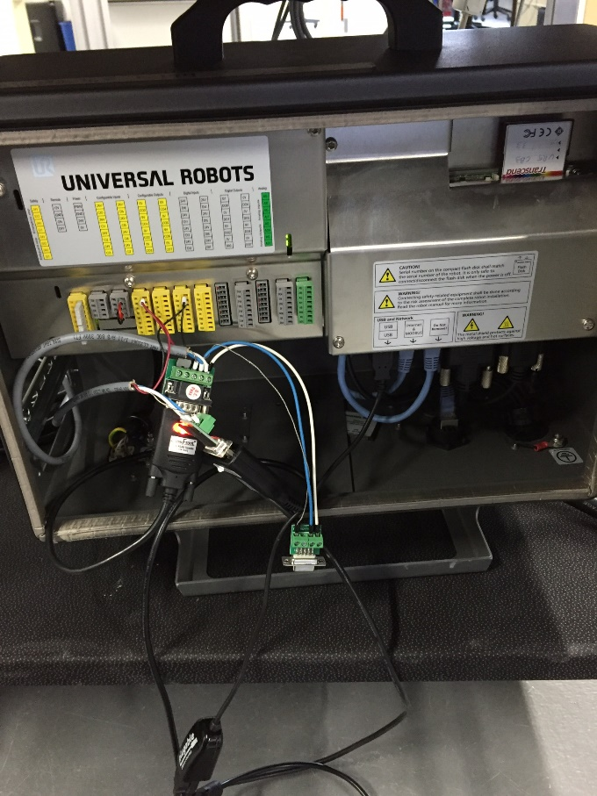 [place photo here]
 | Picture 2: UR5 CB3 Universal Controler Main Control Panel

3.3 MACHINE SPECIFICATION

 | MACHINE LIMITS
 | Machine Name/Type |  | Universal Robots UR5 |  |  |  |  |  |  | Turtlebot
 | Intended Environment: |  | Industrial |  |  |  |  |  |  | Industrial
 | Required Training Level: |  | Basic Training |  |  |  |  |  |  | None
 | Operated by: |  | Operator, Maintenance Technician |  |  |  |  |  |  | Loader/unloader/operator/maintenance technician
 | Intended Use: |  | Materiel Handling |  |  |  |  |  |  | Product transportation
 | Machine Lifetime: |  | 20 years |  |  |  |  |  |  | -
 | Machine Dimensions: |  | 150mm x 80 mm x 170 mm |  |  |  |  |  |  | 354x354x420 mm
 | Machine Environment: |  | Manufacturing environment, dry, clean, non explosive, non flammable. |  |  |  |  |  |  | Warehouse/factory, non explosive, non flammable.

 | OPERATIONAL AND MAINTENANCE INFORMATION
 | Operational Information
 | Emergency Stopping Time: |  | << 1 sec |  |  |  |  |  |  | 2 sec
 | Machine Cycle Time: |  | max speed 5000mm/sec, usually 1500mm/sec |  |  |  |  |  |  | 0,7m/s in theory
 | No. of Operators: |  | 1 in normal use |  |  |  |  |  |  | 1 in normal use
 | Maintenance Information
 | Maintened by: |  | Trained permanent staff |  |  |  |  |  |  | Trained staff
 | Maintenance Frequency: |  | Daily |  |  |  |  |  |  | When necessary
 | Cleaning: |  | Operator |  |  |  |  |  |  | Operator
 | Jamming Repair: |  | Operator |  |  |  |  |  |  | Operator
 | Housekeeping: |  | Amount required to be specified in: Information for Use. |  |  |  |  |  |  | Mexican lady

 | POWER SOURCES
 | Control, Elec. Supply: |  | 24V DC, 220V AC |  |  |  |  |  |  | 19-5 V
 | Main Feed, Elec. Supply: |  | Not Applicable |  |  |  |  |  |  | Li-Ion Battery, standard = 2200 mAh (extended = 4400 mAh)
 | Penumatic Supply: |  | Not Applicable |  |  |  |  |  |  | Not Applicable
 | Hydrualic Supply: |  | Not Applicable |  |  |  |  |  |  | Not Applicable

3.4 DEVICE SPECIFICATION

 | DEVICE LIMITS
 | Device Name/Type |  | Robotiq 2-Finger 85 Adaptive Gripper |  |  |  |  |  |  | T.I.T.S.
 | Intended Environment: |  | Industrial |  |  |  |  |  |  | Industrial
 | Required Training Level: |  | Basic Training |  |  |  |  |  |  | Basic Training
 | Operated by: |  | Operator, Maintenance Technician |  |  |  |  |  |  | Maintenance Technician
 | Intended Use: |  | Material Handling |  |  |  |  |  |  | Product transfer
 | Device Lifetime: |  | unspecified |  |  |  |  |  |  | Unspecified
 | Device Dimensions: |  | 75 mm x 148 mm x 148 mm |  |  |  |  |  |  | Unspecified
 | Device Environment: |  | Manufacturing environment, dry, clean, non explosive, non flammable. |  |  |  |  |  |  | Warehouse/factory, non explosive, non flammable.

 | OPERATIONAL AND MAINTENANCE INFORMATION
 | Operational Information
 | Emergency Stopping Time: |  | << 1 sec |  |  |  |  |  |  | TBD
 | Machine Cycle Time: |  | max speed 5000mm/sec, usually 1500mm/sec |  |  |  |  |  |  | TBD
 | No. of Operators: |  | 1 in normal use |  |  |  |  |  |  | 0
 | Maintenance Information
 | Maintened by: |  | Trained permanent staff |  |  |  |  |  |  | Trained staff
 | Maintenance Frequency: |  | Daily |  |  |  |  |  |  | When necessary
 | Cleaning: |  | Operator |  |  |  |  |  |  | Operator
 | Jamming Repair: |  | Operator |  |  |  |  |  |  | Operator
 | Housekeeping: |  | Degree required to be specified in the Information for Use. |  |  |  |  |  |  | Polish lady

 | POWER SOURCES
 | Control, Elec. Supply: |  | 24V DC, 220V AC |  |  |  |  |  |  | TBD
 | Main Feed, Elec. Supply: |  | Not Applicable |  |  |  |  |  |  | Probably Li-Ion Battery, standard = 2200 mAh (extended = 4400 mAh)
 | Penumatic Supply: |  | Not Applicable |  |  |  |  |  |  | Not Applicable
 | Hydrualic Supply: |  | Not Applicable |  |  |  |  |  |  | Not Applicable

3.5 RISK ESTIMATION & EVALUATION CRITERIA

 |  |  |  |  |  |  |  |  |  |  | Product falls off from +/- 30cm height on weak body part: 3*0,1*2*1=0,6

 | The Evaluation methodology is based on Pilz criteria and experience, an evaluation of the factors, Degree of Possible Harm (DPH), Probability of Occurrence of a Hazardous Event (PO), Possibility of Avoidance (PA) and Frequency and/or duration of Exposure (FE), and has been performed on the risk related with each hazard. A Pilz Hazard Rating has then been calculated from the following formula: |  |  |  |  |  |  |  |  |  | Turtlebot drives into person: 0,01*2*1*3=0,06 Person walks into Turtlebot: 0,25*3*0,5*4=0,75 Person trips over Turtlebot and has really bad luck: 40*0,05*3*0,5=3 Person tips over Turtlebot and falls on top of it: 25*0,3*2*1=15
 | PHR = DPH x PO x PA x FE
 | Where the above parameters can take the following values:
 | Degree of Possible Harm (DPH) 0.25 Scratch / Bruise 0.5 Laceration / cut / mild ill health effect/ minor burns 3 Fracture minor bone – fingers, toes 5 Fracture major bone – hand, arm, leg 8 Loss of 1 or 2 fingers/ toes or major burns 11 Leg / hand amputation, partial loss of hearing or eye 15 Amputation of 2 legs/hands, total loss of hearing/sight in both ears/eyes 25 Critical injuries or permanent illness/condition/injury 40 Single Fatality 65 Catastrophe
 | Possibility of Occurrence of Hazard Event (PO) 0.05 Almost impossible 1.25 Unlikely 2.5 Possible 4 Probable 6 Certain
 | Possibility of Avoidance (PA) 0.75 Possible 2.5 Possible under certain circumstances 5 Not Possible
 | Frequency of Exposure (FE) 0.5 Annually 1 Monthly 2 Weekly 3 Daily 4 Hourly 5 Constantly
 | The maximum and minimum numerical values that could be assigned to each factor for every hazard are shown in the following table.

 | PHR |  | Risk |  | Comment
 |  | 1-10 | Negligible Risk |  | Presents practically no risk to health and safety, no further risk reduction measures are required.
 |  | 11-20 | Very Low Risk |  | Presents very little risk to health and safety, no significant risk reduction measures are required, may necessitate the use of personal protective equipment and/or training.
 |  | 21-45 | Low Risk |  | Risk to health and safety is present, but low. Risk reduction measures must be considered.
 |  | 46-160 | Significant Risk |  | The risk associated with the hazard is substantial enough to require risk reduction measures. These measures should be implemented at the next suitable opportunity.
 |  | 161-500 | High Risk |  | Potentially dangerous hazard, which requires risk reduction measures to be implemented urgently.
 |  | 501+ | Very high Risk |  | Risk reduction measures should be implemented immediately, corporate management should be notified.
 | Table X: PHR Numeric Range

 | After a complete examination of the machine based on applicable standards, a numerical value was determined for each factor while conducting the Risk Assessment and the Pilz Hazard Rating was calculated. The calculated number was then used to evaluate the risk associated with the hazard by comparison with predetermined acceptable levels.
 | The calculated Pilz Hazard Rating ranges from 1 to 9750 where 1 is the lowest showing minimum and 9750 is the highest risk.

3.6 Findings

 | Hazard Identification |  |  |  |  |  | Hazard No. | 1.1
 | Title | Part detection |  |  |  | 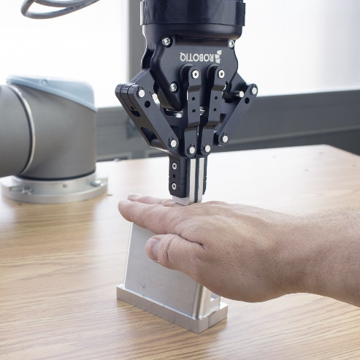
 | Location | Machine feed
 | Target | Hand
 | Activity | Normal operation
 | Task | Part seeking

 | Sub Task | Part grasping

 | Hazard Type | Mechanical Hazard with the consequence of
 | Sub Type | Crushing and impact (Quasi-static)
 | Description | The UR5 'seeks' for a part with both fingers closed and stops when reaching a force threshold at a given height. The robot only starts its program if a part is detected. The force is monitored by a Robotiq FT 300 Force Torque Sensor. There is a possibility that a worker could place his/her hand between the Gripper and the part. The robot is running at a reduced speed of 20 mm/s and has a 10 N threshold to detect parts. Since the fingers are closed together, they have an area of (13.5 x 23 mm) 310.5 mm2 or 3,105 cm2. In case of an impact at 10 N, the pressure spread over this surface and applied by the Gripper fingers is (10 N/3.105 cm2) 3,22 N/cm2. This is equivalent to energy of 0.0001 J. With a maximum suggested pressure of 197 N/cm2 and 0.49 J of energy, this force and energy are slightly lower than levels permissible by ISO/TS 15066.

 | References: |  | ISO/TS 15066, ISO 10218
 | Risk Estimation and Evaluation
 | Degree of Possible Harm: |  |  | 0.5 | Possibility of Avoidance: |  |  | 0.75
 | Probability of Occurance of a Hazardous Event: |  |  | 1.25 | Frequency And/or Duration of Exposure: |  |  | 4
 | Pilz Hazard Rating (PHR): |  |  | 1.875 | Summary Level: |  | Negligible Risk
 | Risk Reduction |  |  |  |  |  | Reference
 | Not necessary

 | Risk Estimation and Evaluation
 | Degree of Possible Harm: |  |  | n/a | Possibility of Avoidance: |  |  | n/a
 | Probability of Occurance of a Hazardous Event: |  |  | n/a | Frequency And/or Duration of Exposure: |  |  | n/a
 | Pilz Hazard Rating (PHR): |  |  | #VALUE! | Summary Level: |  | Negligible Risk

 | Hazard Identification |  |  |  |  |  | Hazard No. | 1.2
 | Title | Part grasping |  |  |  | 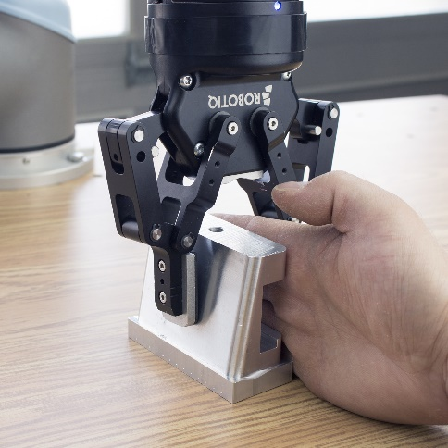
 | Location | Machine feed
 | Target | Hand
 | Activity | Normal operation
 | Task | Part grasping

 | Sub Task | Closing of the Gripper against the part

 | Hazard Type | Mechanical Hazard with the consequence of
 | Sub Type | Crushing and impact (Quasi-static)
 | Description | The Gripper fingers will come down on each side of the part from an open position. Once position Z is reached, the Gripper will close against the part which creates the possibility of crushing. If the Gripper settings are at maximum speed (150 mm/s) and maximum force (200 N) and the force is applied with (22 mm x 37.5 mm) 825 mm2 or 8.25 cm2 rubber pads, then as the Gripper is force limited and will stop at a lower force when feeling an object, the maximum force reached against a 40 A Hardness object will be 150 N (see Robotiq User Manual Figure 4.5.4) which generates a pressure of 18.18 N/cm2. Since the suggested level is 193 N/cm2 according to the new ISO/TS 15006, the force is slightly lower than permissible.

 | References: |  | ISO/TS 15066, ISO 10218, Robotiq 2-Finger 85 User manual Figure 4.5.4
 | Risk Estimation and Evaluation
 | Degree of Possible Harm: |  |  | 0.5 | Possibility of Avoidance: |  |  | 2.5
 | Probability of Occurance of a Hazardous Event: |  |  | 2.5 | Frequency And/or Duration of Exposure: |  |  | 4
 | Pilz Hazard Rating (PHR): |  |  | 12.5 | Summary Level: |  | Very Low Risk
 | Risk Reduction |  |  |  |  |  | Reference
 | Presents very little risk to health and safety, no significant risk reduction measures are required, may necessitate the use of personal protective equipment and/or training.

 | Risk Estimation and Evaluation
 | Degree of Possible Harm: |  |  | n/a | Possibility of Avoidance: |  |  | n/a
 | Probability of Occurance of a Hazardous Event: |  |  | n/a | Frequency And/or Duration of Exposure: |  |  | n/a
 | Pilz Hazard Rating (PHR): |  |  | #VALUE! | Summary Level: |  | Very low Risk

 | Hazard Identification |  |  |  |  |  | Hazard No. | 1.3
 | Title | Part dropping |  |  |  | 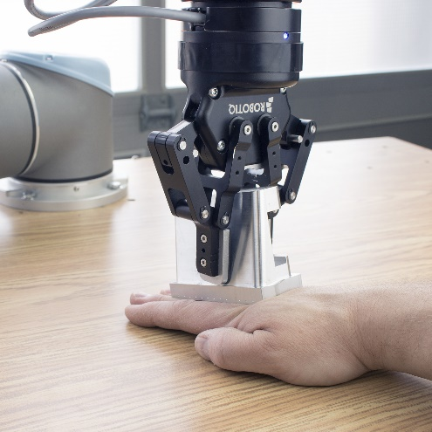
 | Location | Machine Outfeed
 | Target | Hand
 | Activity | Normal operation
 | Task | Part positionning

 | Sub Task | Placing the part in place for further operation

 | Hazard Type | Mechanical Hazard with the consequence of
 | Sub Type | Crushing and impact (Quasi-static)
 | Description | To achieve the task, the robot has to place the part on the table. In this operation, the robot is running at 2000 mm/s and has a maximum limiting force of 250 N (UR Safety Settings). The part has an area of (89.2 mm x 38.25 mm) 34 119.2 mm2 or 34.19 cm2. Which creates 7.3 N/cm2 of pressure. Pressure is not the limiting factor in this task, but force will be the limiting factor. Since 250 N is 30% higher than the limit of 193 N suggested by ISO/TS 15066, we can assume that injuries can occur in this situation, because of the excess force that can possibly be applied.

 | References: |  | ISO/TS 15066, ISO 10218
 | Risk Estimation and Evaluation
 | Degree of Possible Harm: |  |  | 3 | Possibility of Avoidance: |  |  | 2.5
 | Probability of Occurance of a Hazardous Event: |  |  | 2.5 | Frequency And/or Duration of Exposure: |  |  | 4
 | Pilz Hazard Rating (PHR): |  |  | 75 | Summary Level: |  | Significant Risk
 | Risk Reduction |  |  |  |  |  | Reference
 | Since the UR safety setting is set to 'least restricted', we can reduce the maximum force applicable by the robot by reducing this setting to 150 N. This value will lower the degree of possible harm to 0.5 (which will reduce the PHR) and will still allow the cell to operate normally.

 | Risk Estimation and Evaluation
 | Degree of Possible Harm: |  |  | 0.5 | Possibility of Avoidance: |  |  | 2.5
 | Probability of Occurance of a Hazardous Event: |  |  | 2.5 | Frequency And/or Duration of Exposure: |  |  | 4
 | Pilz Hazard Rating (PHR): |  |  | 12.5 | Summary Level: |  | Very low Risk

3.7 Priority Listing

 | Priority | Hazard No. | Hazard Name |  | PHR | Risk Level
 | 1 | 1.3 | Part dropping |  | 75 | Significant Risk
 | 2 | 1.2 | Part grasping |  | 12.5 | Very Low Risk
 | 3 | 1.1 | Part detection |  | 1.875 | Negligible Risk
 | 4 | … | … |  | … | …
 | 5

3.8 Risk Reduction

 | Due to the hazards detailed in the earlier section 3.6 Findings, it is necessary to carry out a risk reduction for each hazard where the estimated risk is determined to be unacceptable as detailed in the findings.
 | After the required safety measures are implemented it will be necessary to ensure that the risk posed by each hazard has been reduced to the level specified in this document by performing a final risk evaluation.
 | On completion of the risk reduction measures and the final risk evaluation, the residual risk associated with all hazards will have to be assessed and documented as part of the risk assessment report. This is the possible risk that a hazard may possess even after risk reduction measures have been implemented due to the fact that it was not possible to design a complete safety solution to eradicate the risk.
 | In order to inform the user of these residual risks related with the machine that have not been reduced by the design of contra measures, special indications should be included in the operator procedure documentation and warnings should be placed on the machine.

4 Conclusion

 | Overall, the force limited collaborative mode operation can attain the risk level required for compliance to the ISO/TS 15066, however some of the risk sources listed in section 3.5 and 3.6 requires further risk reduction.
 | The overall changes required may be summarized as follows:
 | Reduce the robot force setting in the safety settings …
 | Québec City, Qc, CAN
 | 11 April 2016

